Control Architecture
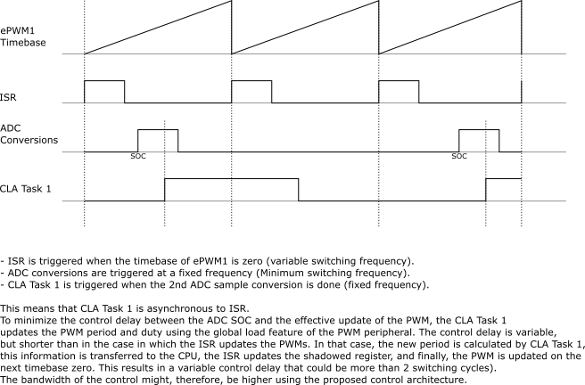

ISR Tasks | CLA Task 1 Tasks
Fast protections? | Filtering of ADC signals
Negative Current Protection | LLC Control (Frequency control)
 | Light Load Operation (duty control / burst)?
 | Update of PWMs
 | SR Control?

